Sheet2
Response ID | How would you rate today's Chapter meeting? | Did the meeting your expectation? | Rate the Coordination of the Meeting | Rate the Quality of Presentation by the Resource Person | Today's meeting fostered professionalism among members of the Institute | Would you invite a new, intending or potential member to next month's meeting | Areas to Improve
1 | Excellent | Yes | Excellent | Excellent | Strongly Agree | Definitely | Meeting Flow
2 | Excellent | Yes | Excellent | Excellent | Strongly Agree | Definitely | Meeting Flow
3 | Excellent | Yes | Excellent | Excellent | Strongly Agree | Definitely | Meeting Flow
4 | Excellent | Yes | Excellent | Excellent | Strongly Agree | Definitely | Meeting Flow
5 | Excellent | Yes | Excellent | Excellent | Strongly Agree | Definitely | Meeting Flow
6 | Excellent | Yes | Excellent | Excellent | Strongly Agree | Definitely | Interaction
7 | Excellent | Yes | Excellent | Excellent | Strongly Agree | Definitely | Interaction
8 | Excellent | Yes | Excellent | Excellent | Strongly Agree | Definitely | Interaction
9 | Excellent | Yes | Excellent | Excellent | Strongly Agree | Definitely | Interaction
10 | Excellent | Yes | Excellent | Excellent | Strongly Agree | Definitely | Interaction
11 | Excellent | Yes | Excellent | Excellent | Strongly Agree | Definitely | Interaction
12 | Excellent | Yes | Excellent | Excellent | Strongly Agree | Definitely | Interaction
13 | Excellent | Yes | Excellent | Excellent | Strongly Agree | Definitely | Interaction
14 | Excellent | Yes | Excellent | Good | Strongly Agree | Definitely | Interaction
15 | Excellent | Yes | Excellent | Good | Strongly Agree | Definitely | Interaction
16 | Very Good | Yes | Excellent | Good | Strongly Agree | Definitely | Interaction
17 | Very Good | Yes | Excellent | Good | Strongly Agree | Definitely | Interaction
18 | Very Good | Yes | Good | Good | Strongly Agree | Definitely | Interaction
19 | Very Good | Yes | Good | Good | Strongly Agree | Definitely | Interaction
20 | Very Good | Yes | Good | Good | Strongly Agree | Definitely | Interaction
21 | Very Good | Yes | Good | Good | Strongly Agree | Definitely | Interaction
22 | Very Good | Yes | Good | Good | Strongly Agree | Definitely | Interaction
23 | Very Good | Yes | Good | Good | Strongly Agree | Definitely | Interaction
24 | Very Good | Yes | Good | Good | Strongly Agree | Definitely | Celebrating Members
25 | Very Good | Yes | Good | Good | Strongly Agree | Definitely | Time Management
26 | Very Good | Yes | Good | Good | Strongly Agree | Definitely | Time Management
27 | Very Good | Yes | Good | Good | Strongly Agree | Definitely | Time Management
28 | Very Good | Yes | Good | Good | Agree | Definitely | Time Management
29 | Very Good | Yes | Good | Good | Agree | Definitely | Time Management
30 | Very Good | Yes | Good | Good | Agree | Definitely | Time Management
31 | Very Good | Yes | Good | Good | Agree | Definitely | Time Management
32 | Very Good | Yes | Good | Good | Agree | Definitely | Time Management
33 | Very Good | Yes | Good | Good | Agree | Definitely | Time Management
34 | Very Good | Yes | Good | Good | Agree | Definitely | Time Management
35 | Very Good | Yes | Good | Good | Agree | Definitely | Time Management
36 | Very Good | Yes | Good | Good | Agree | Definitely | Time Management
37 | Very Good | Yes | Good | Good | Agree | Definitely | Time Management
38 | Very Good | Yes | Good | Good | Agree | Definitely | Time Management
39 | Very Good | Yes | Good | Good | Agree | Definitely | Time Management
40 | Very Good | Yes | Good | Good | Agree | Definitely | Time Management
41 | Very Good | Yes | Good | Good | Agree | Definitely | Time Management
42 | Very Good | Yes | Good | Good | Agree | Definitely | Time Management
43 | Very Good | Yes | Good | Good | Agree | Definitely | Time Management
44 | Very Good | Yes | Good | Good | Agree | Definitely | Time Management
45 | Very Good | Yes | Good | Good | Agree | Definitely | Time Management
46 | Very Good | Yes | Good | Good | Agree | Definitely | Time Management
47 | Very Good | Yes | Good | Good | Agree | Definitely | Time Management
48 | Very Good | Yes | Good | Good | Agree | Definitely | Time Management
49 | Very Good | Yes | Good | Good | Agree | Definitely | Time Management
50 | Very Good | Yes | Good | Good | Agree | Definitely | Time Management
51 | Very Good | Yes | Good | Good | Agree | Definitely | Time Management
52 | Good | Yes | Good | Good | Agree | Definitely | Time Management
53 | Good | Yes | Good | Good | Agree | Definitely | Time Management
54 | Good | Yes | Good | Good | Agree | Definitely | Time Management
55 | Good | Yes | Average | Good | Agree | Definitely | Time Management
56 | Good | Yes | Average | Good | Agree | Definitely | Time Management
57 | Good | Yes | Average | Good | Agree | Definitely | Time Management
58 | Good | Yes | Average | Average | Agree | Definitely | Time Management
59 | Good | Yes | Average | Average | Agree | Definitely | Time Management
60 | Good | Yes | Average | Average | Agree | Definitely | Time Management
61 | Good | Yes | Average | Average | Agree | Definitely | Time Management
62 | Good | Yes | Average | Average | Agree | Definitely | Time Management
63 | Good | Yes | Fair | Average | Agree | Definitely | Time Management
64 | Good | Neutral | Fair | Average | Agree | Definitely | Time Management
65 | Good | Neutral | Fair | Average | Agree | Definitely | Time Management
66 | Good | Neutral | Fair | Average | Agree | Definitely | Time Management
67 | Good | Neutral | Fair | Average | Agree | Definitely | Time Management
68 | Good | Neutral | Fair | Average | Agree | Definitely | Time Management
69 | Good | Neutral | Fair | Average | Neutral | Definitely | Resource Person
70 | Good | Neutral | Fair | Average | Neutral | Definitely | Resource Person
71 | Good | Neutral | Fair | Poor | Neutral | Definitely | Resource Person
72 | Good | Neutral | Fair | Poor | Neutral | Definitely | Resource Person
73 | Good | Neutral | Fair | Poor | Neutral | Definitely | Resource Person
74 | Good | Neutral | Fair | Very Poor | Neutral | Maybe | Resource Person
75 | Good | Neutral | Fair | Very Poor | Strongly Disagree | Maybe | Resource Person
76 | Good | Neutral | Fair | Very Poor | Strongly Disagree | Maybe | Resource Person
77 | Good | Neutral | Fair | Very Poor | Strongly Disagree | Maybe | Resource Person
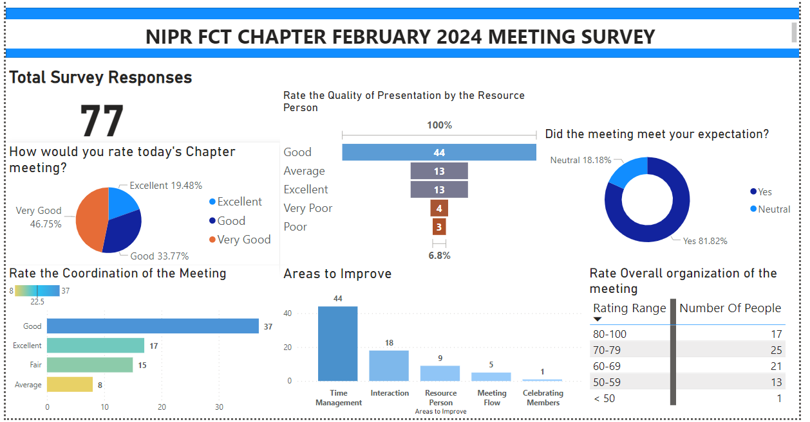

 |  |  |  |  |  | Rate overall organization of the meeting
 |  |  |  |  |  | Response ID | Rating Range | Number Of People
 |  |  |  |  |  | 1 | 80-100 | 17
 |  |  |  |  |  | 2 | 70-79 | 25
 |  |  |  |  |  | 3 | 60-69 | 21
 |  |  |  |  |  | 4 | 50-59 | 13
 |  |  |  |  |  | 5 | < 50 | 1

